Navigator
More Options

General Information | Statements
Filing Information | DBS_StressedMSME - Monthly Return on information related to Stressed MSME Sub-ordinate Debt Scheme
 | Authorised Signatory

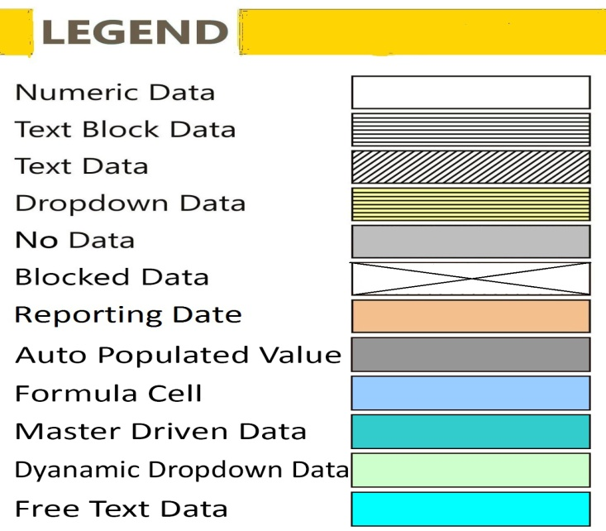

DBS_StressedMSME
DBS_StressedMSME - Monthly Return on information related to Stressed MSME Sub-ordinate Debt Scheme
 | DBS_StressedMSME - Monthly Return on information related to Stressed MSME Sub-ordinate Debt Scheme

Monetary items present in this return are to be reported Rs. in Lakhs

Table 1: Monthly Return on information related to Stressed MSME Sub-ordinate Debt Scheme (Personal Loans sanctioned to Promoters of distressed MSMEs under CREDIT GUARANTEE SCHEME FOR SUBORDINATE DEBT- CGSSD)
Identifier information of Promoter and the eligible MSME |  |  |  |  |  |  | Eligibility and approval information for the loan sanctioned under CGSSD |  |  |  |  |  |  |  |  |  | Operational information on the loan sanctioned under CGSSD and the MSME loan Account
Name of Borrower (Promoter) | PAN of Borrower (Promoter) | Name of Eligible MSME entity (for which the promoter is borrowing) | PAN of MSME entity | Location of MSME (State) | MSME Category# | Sector | Whether MSME Account Classification 'Standard' as on March 31, 2018 | Whether MSME Account Classification 'SMA2' or 'Substandard' as on April 30, 2020 | No Fraud /No Wilful Defaulter Flag | Promoters Stake (Equity & debt stake) in the Eligible MSME entity as on the CGSSD loan sanction date (in Rs. Lakhs) | Existing Sanctioned loan to the MSME entity as on April 30, 2020 (in Rs. Lakhs)* | Existing Outstanding loan to the MSME entity as on April 30, 2020 (in Rs. Lakhs)* | Declaration flag (Declaration taken from the borrower that he/she has not availed funding under the scheme from the other lenders) | Date of sanction of loan under CGSSD | Loan sanctioned under CGSSD (in Rs lakhs) | CGTMSE approval received for the guarantee coverage | Tenure of loan sanctioned under the CGSSD (in Years) | Tenure of Moratorium granted on the loan sanctioned under the CGSSD (in Years) | Current Outstanding loan sanctioned under CGSSD as on Reporting date (in Rs. Lakhs) | Classification of loan outstanding under CGSSD as on Reporting Date | Current Outstanding loan to the MSME entity as on the month end - return date (in Rs. Lakhs)* | MSME Account Classification as on Reporting date
 |  |  |  |  |  |  | X010 | X020 | X030 | X040 | X050 | X060 | X070 | X080 | X090 | X100 | X110 | X120 | X130 | X140 | X150 | X160

All loans sanctioned under the scheme have to be reported under this return with updated information on the fields asking for month-end or reporting date outstanding data/status of the loans under the last four fields of the return i.e. Current Outstanding loan sanctioned under CGSSD as on Reporting date (in Rs. Lakhs); Classification of loan outstanding under CGSSD as on Reporting Date; Current Outstanding loan to the MSME entity as on the month end - return date (in Rs. Lakhs)* and MSME Account Classification as on Reporting date. For instance, loans sanctioned in June and July will again be reported in the August end return with updated information on these four fields. #MSME classification to be done as per the New Criteria provided by the Govt. of India for classification of micro, small and medium enterprises - GAZETTE NOTIFICATION dated 1st June, 2020 (https://msme.gov.in/sites/default/files/MSME_gazette_of_india_0.pdf) *'Loan to MSME' should account for total of all credit facilities for that MSME
 |  |  |  |  |  |  |  |  |  |  |  |  |  |  |  |  |  |  |  |  |  |  | #LAYOUTECER#

FilingInfo
Filing Information
 | Filing Information

Filing Information
 | Information

Return Name
Return Code
Name of reporting institution
Bank Code
Institution Type
Reporting frequency
Reporting start date
Reporting end date
Reporting currency
Reporting scale
Taxonomy version
Tool name
Tool version
Report status
Date of Audit
General remarks

 |  | #LAYOUTECER#

DBS_AuthorisedSignatory
Authorised Signatory
 | Authorised Signatory

Authorised Signatory
Particulars |  | Value
 |  | X010

Name of Authorised Signatory | Y010
Designation | Y020
Contact Number (with STD Code) | Y030
Contact No. (Mobile/Cell) | Y040
Email Id | Y050
Remarks (Optional) | Y060

 |  |  | #LAYOUTECER#

