Navigator
More Options

General Information | Statements
Filing Information | OutstandingRupeeLoans - Interest Rates Return - Loans
 | FreshRupeeLoans - Interest Rates Return - Loans
 | ForeignCurrencyExportCredit - Interest Rates Return - Loans
 | IntRateonDomesticSavingsDeposit - Interest Rates Return - Deposits
 | NRIDeposits - Interest Rates Return - Deposits
 | ExternalBenchmark - Interest Rates Return - Deposits

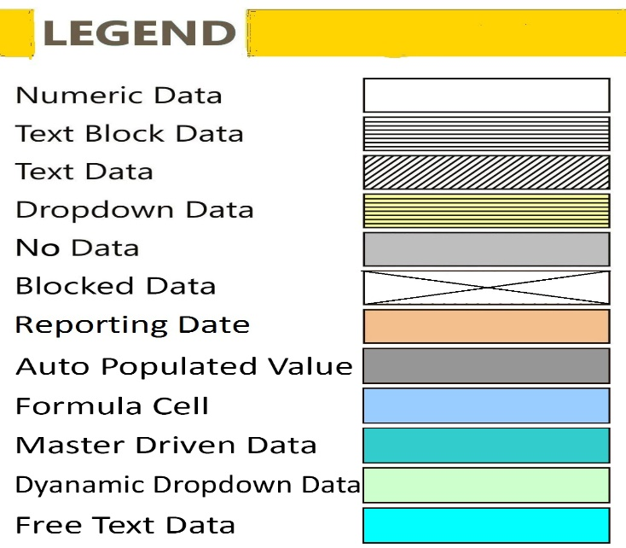

FilingInfo
Filing Information
 | Filing Information

#CustPlc# |  | #TABLE# | #LAYOUTECSR#
Filing Information
 | Information

Return name | Interest Rates Return
Return code | MPD06
Name of reporting institution | RBI
Bank code | 000
Institution type | RBI
Reporting frequency | Monthly
Reporting period start date | 01-10-2021
Reporting period end date | 31-10-2021
Reporting currency | INR
Reporting scale | Crores
Taxonomy version | 1.1.0
Tool name | RBI iFile
Tool version | 1.0.0
Report status | Un-Audited
Date of audit
General remarks

 |  |  | #LAYOUTECER#

OutstandingRupeeLoans
OutstandingRupeeLoans - Interest Rates Return - Loans
 | OutstandingRupeeLoans - Interest Rates Return - Loans

Amounts present in the return should be reported in ₹ Crores

A: LOANS

A1: Interest Rates on Outstanding Rupee Loans
Item |  | Amount Outstanding | Rate of Interest(%) |  | Interest rate range in which 60 per cent or more business is contracted (%) |  | WALR (%)
 |  |  | Min | Max | Min | Max
 |  | X010 | X020 | X030 | X040 | X050 | X060

I. Type of Credit (1+2+3+4+5+6) | Y010 | 0.00 | 0.00% | 0.00% | 0.00% | 0.00%
1. Cash Credit | Y020
2. Demand Loans | Y030
3. Overdrafts | Y040
4. Inland Bills financed and discounted | Y050
5. Term Loans (5.1+5.2+5.3+5.4+5.5) (Contractual Maturity Basis) | Y060 | 0.00 | 0.00% | 0.00% | 0.00% | 0.00%
5.1 1 day to 180 days | Y070
5.2 181 days to 1 year | Y080
5.3 Above 1 year and up to 3 years | Y090
5.4 Above 3 years and up to 5 years | Y100
5.5 Above 5 years | Y110
6. Other Type of Loans | Y120
II. Purpose of Credit (7 to 15) | Y130 | 0.00 | 0.00% | 0.00% | 0.00% | 0.00%
7. Agriculture | Y140
8. Industry (Large) | Y150
9. MSMEs | Y160
10. Infrastructure | Y170
11. Trade | Y180
12. Professional Services | Y190
13. Personal Loans (13.1+13.2+13.3+13.4+13.5) | Y200 | 0.00 | 0.00% | 0.00% | 0.00% | 0.00%
13.1 Credit Card | Y210
13.2 Education | Y220
13.3 Vehicle | Y230
13.4 Housing | Y240
13.5 Other Personal Loans | Y250
14. Rupee Export Credit (14.1+14.2) | Y260 | 0.00 | 0.00% | 0.00% | 0.00% | 0.00%
14.1 Pre-shipment export credit (14.1.1+14.1.2+14.1.3) | Y270 | 0.00 | 0.00% | 0.00% | 0.00% | 0.00%
14.1.1 Up to 180 days | Y280
14.1.2 181 days to 270 days | Y290
14.1.3 Beyond 270 days | Y300
14.2 Post-shipment export credit (14.2.1+14.2.2) | Y310 | 0.00 | 0.00% | 0.00% | 0.00% | 0.00%
14.2.1 On Demand Bills for transit period (as specified by FEDAI) | Y320
14.2.2 Usance Bills (14.2.2.1+14.2.2.2+14.2.2.3) | Y330 | 0.00 | 0.00% | 0.00% | 0.00% | 0.00%
14.2.2.1 Up to 90 days | Y340
14.2.2.2 91 days to 180 days | Y350
14.2.2.3 Beyond 180 days | Y360
15. Others | Y370
III. Memo Items:
16. DRI Advances | Y380
17. Loans to Banks’ Own Employees | Y390
18. Loans to Banks’ Own Depositors | Y400
19. Loans given for Restructuring | Y410
WALR: Weighted Average Lending Rate.
 |  |  |  |  |  |  |  | #LAYOUTECER#

FreshRupeeLoans
FreshRupeeLoans - Interest Rates Return - Loans
 | FreshRupeeLoans - Interest Rates Return - Loans

Amounts present in the return should be reported in ₹ Crores

A2: Fresh Rupee Loans Sanctioned during the month: Type of Credit
Type of Credit |  | Fresh Rupee loans sanctioned during the month | Rate of Interest (%) |  | Interest rate range at which 60 per cent or more fresh rupee loans have been sanctioned during the month (%)
 |  |  | Min | Max | Min | Max
 |  | X010 | X020 | X030 | X040 | X050

1. Cash Credit | Y010
2. Demand Loans | Y020
3. Overdrafts | Y030
4. Inland Bills financed and discounted | Y040
5. Term Loans (5.1 to 5.5) | Y050 | 0.00 | 0.00% | 0.00% | 0.00% | 0.00%
5.1 1 day to 180 days | Y060
5.2 181 days to 1 year | Y070
5.3 Above 1 year and up to 3 years | Y080
5.4 Above 3 years and up to 5 years | Y090
5.5 Above 5 years | Y100
6. Other Type of Loans | Y110
Total | Y120 | 0.00 | 0.00% | 0.00% | 0.00% | 0.00%

 |  |  |  |  |  |  |  | #LAYOUTECER#

A3: Fresh Rupee Loans Sanctioned during the month : Interest Rate-wise
Interest Rate Range (Percent) |  | Rupee loans sanctioned during the month
 |  | X060

Less than 6 | Y130
6-8 | Y140
8-9 | Y150
9-10 | Y160
10-11 | Y170
11-12 | Y180
12-13 | Y190
13-14 | Y200
14-15 | Y210
15-16 | Y220
16-17 | Y230
17-18 | Y240
18-19 | Y250
19-20 | Y260
20 and above | Y270
Total | Y280 | 0.00
Weighted Average Lending Rate (WALR %) for Fresh Rupee Loans sanctioned during the month | Y290

 |  |  |  | #LAYOUTECER#

A4: Fresh Rupee Loans Sanctioned during the month : Sector wise
Purpose of Credit |  | Fresh Rupee loans sanctioned during the month | Rate of Interest (%) |  | Interest rate range at which 60 per cent or more fresh rupee loans have been sanctioned during the month (%) |  | Weighted Average Lending Rate (WALR) (%)
 |  |  | Min | Max | Min | Max
 |  | X070 | X080 | X090 | X100 | X110 | X120

1. Agriculture | Y300
2. Industry (Large) | Y310
3. MSMEs | Y320
4. Infrastructure | Y330
5. Trade | Y340
6. Professional Services | Y350
7. Personal Loans (7.1+7.2+7.3+7.4+7.5) | Y360 | 0.00 | 0.00% | 0.00% | 0.00% | 0.00%
7.1 Credit Card | Y370
7.2 Education | Y380
7.3 Vehicle | Y390
7.4 Housing | Y400
7.5 Other Personal Loans | Y410
8. Rupee Export Credit (8.1+8.2) | Y420 | 0.00 | 0.00% | 0.00% | 0.00% | 0.00%
8.1 Pre-shipment Credit | Y430
8.2 Post-shipment Credit | Y440
9. Others | Y450
10. Total | Y460 | 0.00 | 0.00% | 0.00% | 0.00% | 0.00%

 |  |  |  |  |  |  |  |  | #LAYOUTECER#

A5: Fresh Rupee Loans Sanctioned during the month: Housing and Vehicle Loans
Sector |  | Fresh Rupee loans sanctioned during the month | Rate of Interest(%) |  | Interest rate range in which 60 per cent or more business is contracted (%) |  | WALR (%)
 |  |  | Min | Max | Min | Max
 |  | X130 | X140 | X150 | X160 | X170 | X180

A.Personal Loans (A.I + A.II) | Y470 | 0.00 | 0.00% | 0.00% | 0.00% | 0.00%
A.I.Housing Loans | Y480 | 0.00 | 0.00% | 0.00% | 0.00% | 0.00%
Up to Rs.30 lakh | Y490
Rs.30-75 Lakh | Y500
Above Rs.75 Lakh | Y510
A.II.Vehicle Loans | Y520 | 0.00 | 0.00% | 0.00% | 0.00% | 0.00%
Up to Rs.5 lakh | Y530
Rs.5-10 Lakh | Y540
Above Rs.10 lakh | Y550
B.Commercial Loans (B.I + B.II) | Y560 | 0.00 | 0.00% | 0.00% | 0.00% | 0.00%
B.I.Commercial Real Estate | Y570 | 0.00 | 0.00% | 0.00% | 0.00% | 0.00%
Up to Rs.50 Crore | Y580
Rs.50-100 Crore | Y590
Above Rs.100 Crore | Y600
B.II.Vehicle Loans/Loans to Transport Operators | Y610 | 0.00 | 0.00% | 0.00% | 0.00% | 0.00%
Up to Rs.25 lakh | Y620
Rs.25-50 Lakh | Y630
Above Rs.50 lakh | Y640

 |  |  |  |  |  |  |  |  | #LAYOUTECER#

ForeignCurrencyExportCredit
ForeignCurrencyExportCredit - Interest Rates Return - Loans
 | ForeignCurrencyExportCredit - Interest Rates Return - Loans

Amounts present in the return should be reported in ₹ Crores (in millions for Foreign Currency)

A6: Foreign Currency Export Credit

 | Unit | No Unit | India, Rupees | No Unit | No Unit | No Unit | No Unit
Items |  | Amount outstanding (in million) | Amount outstanding (in ₹ Crore) | Rate of Interest(%) |  | Interest rate range in which 60 per cent or more business is contracted (%)
 |  |  |  | Min | Max | Min | Max
...

IntRateonDomesticSavingsDeposit
IntRateonDomesticSavingsDeposit - Interest Rates Return - Deposits
 | IntRateonDomesticSavingsDeposit - Interest Rates Return - Deposits

Amounts present in the return should be reported in ₹ Crores

B: DEPOSITS
...

NRIDeposits
NRIDeposits - Interest Rates Return - Deposits
 | NRIDeposits - Interest Rates Return - Deposits

Amounts present in the return should be reported in ₹ Crores (in millions for Foreign Currency)

B4: NRE Deposits
NRE Deposits |  | Amount Outstanding | Rate of Interest (%) | WADR (%)
...

ExternalBenchmark
ExternalBenchmark - Interest Rates Return - Deposits
 | ExternalBenchmark - Interest Rates Return - Deposits

Amounts present in the return should be reported in ₹ Crores

C1: Data on External Benchmark based Lending Rate
...

