Navigator
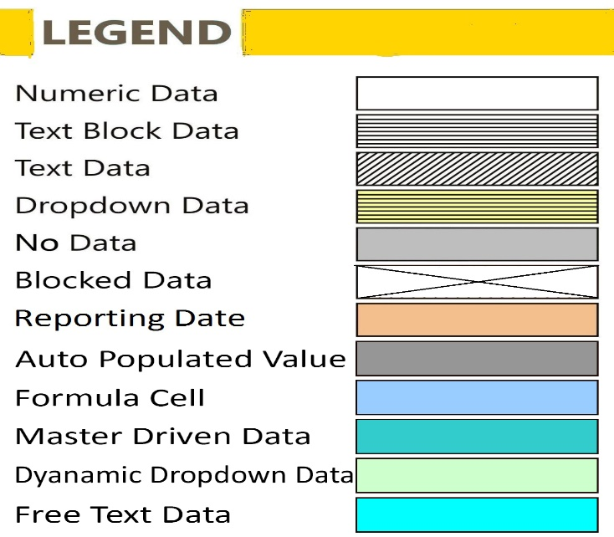
More Options

General Information | Statements
Filing Information | MPD07MCLR - Marginal cost of funds based lending rate

FilingInfo
Filing Information
 | Filing Information

#CustPlc# |  | #TABLE# | #LAYOUTECSR#
Filing Information
 | Information

Return name | Marginal cost of funds based lending rate
Return code | MPD07
Name of reporting institution | RBI
Bank code | 000
Institution type | RBI
Reporting frequency | Daily
Reporting period start date | 01-05-2021
Reporting period end date | 01-05-2021
Reporting currency | INR
Reporting scale | Billion
Taxonomy version | 1.0.0
Tool name | RBI iFile
Tool version | 1.0.0
Report status | Un-Audited
Date of audit
General remarks

 |  |  | #LAYOUTECER#

#CustPlc# |  | #TABLE# | #LAYOUTECSR#
Scoping Question
 | X010

Whether Marginal Cost of Funds is calculated giving weights of 92% for Marginal Cost of Borrowings and 8% for Return on Net Worth | No

 |  |  | #LAYOUTECER#

MPD07MCLR
MPD07MCLR - Marginal cost of funds based lending rate
 | MPD07MCLR - Marginal cost of funds based lending rate

Table 1: Marginal Cost of Funds Based Lending Rate (MCLR)
 |  | X010

MCLR Prevailing as on: | Y010
Effective Date for MCLR : | Y020
Date of Announcement of MCLR: | Y030
1. Marginal Cost of Funds $ | Y040 | 0.00%
(a) Provide Weights for :
(a.1) Marginal Cost of Borrowings | Y050
(a.2) Return on Net worth | Y060
(b) Marginal Cost of Borrowings (Deposits + Borrowings) | Y070
(c) Return on Net worth | Y080
2. Negative Carry on account of CRR | Y090
3. Operating Costs | Y100
4. Tenor Premium (+)/ Discount (-)
4.1 Overnight Tenor | Y110
4.2 1 Month tenor | Y120
4.3 3 Month Tenor | Y130
4.4 6 Month Tenor | Y140
4.5 12 Month Tenor | Y150
Overnight MCLR | Y160
One month MCLR | Y170
Three month MCLR | Y180
Six Month MCLR | Y190
One Year MCLR | Y200
Two Year MCLR | Y210
Three Year MCLR | Y220
Four Year MCLR | Y230
Five Year MCLR | Y240
Six Year MCLR | Y250
Seven Year MCLR | Y260
Eight Year MCLR | Y270
Nine Year MCLR | Y280
Ten Year MCLR | Y290
Above Ten Year MCLR | Y300
Memo
Base rate | Y310
Base rate effective date | Y320
BPLR | Y330
BPLR effective date | Y340
Share of Credit linked to MCLR in Outstanding Credit | Y350
Share of Credit linked to Base Rate in Outstanding Credit | Y360

 |  |  | #LAYOUTECER#

Table 2: Benchmark Tenor of MCLR
Benchmark Tenor of MCLR |  | X020

Benchmark Tenor 1 | Y370
Benchmark Tenor 2 | Y380
Benchmark Tenor 3 | Y390
Benchmark Tenor 4 | Y400
Benchmark Tenor 5 | Y410

 |  |  | #LAYOUTECER#

