Navigator
More Options

General Information | Statements
Filing Information | AuthorisedSignatory - Authorised Signatory
 | DNBS14PART1 - SOURCES OF FUNDS
 | DNBS14PART2 - APPLICATION OF FUNDS
 | DNBS14PART3 - PROFIT AND LOSS ACCOUNT
 | DNBS14PART4 - CAPITAL FUNDS – TIER I
 | DNBS14PART5 - Technology platform
 | DNBS14PART6 - Loan Portfolio Analysis (By delinquency in Principal / Interest Payment)
 | DNBS14PART7 - FOREIGN SOURCES OF FUNDS
 | DNBS14PART8 - Delinquency in Accounts as on reporting period end date
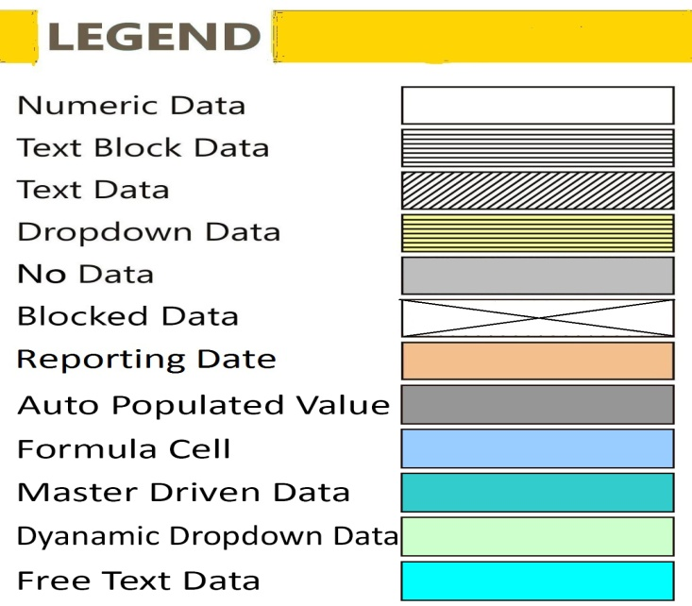
 | DNBS14ANNEX1 - Shareholding pattern
 | DNBS14ANNEX2 - Board of directors
 | DNBS14ANNEX3 - Branch details of NBFCs
 | DNBS14ANNEX4 - Details of Lenders (according to amount outstanding)
 | DNBS14ANNEX5 - Details of Borrowers (according to amount outstanding)
 | DNBS14ANNEX6 - Lender Escrow Account detail
 | DNBS14ANNEX7 - Borrower Escrow Account detail

FilingInfo
Filing Information
 | Filing Information

#CustPlc# |  | #TABLE# | #LAYOUTECSR#
Filing Information
 | Information

Return Name
Return Code
Name of reporting institution
Bank / FI code
Institution Type
Reporting frequency
Reporting start date
Reporting end date
Reporting currency
Reporting scale
Taxonomy version
Tool name
Tool version
Report status
Date of Audit
General remarks

 |  |  | #LAYOUTECER#

AuthorisedSignatory
AuthorisedSignatory - Authorised Signatory
 | AuthorisedSignatory - Authorised Signatory

Table 1: Authorised Signatory
Particulars |  | Value
 |  | X010

Name of the Person Filing the Return | Y010
Designation | Y020
Office No. (with STD Code) | Y030
Mobile No. | Y040
Email Id | Y050
Date | Y060
Place | Y070
1. All values must be reported in Rs lakh. 2. Enter all dates in dd-mm-yyyyy fomat. 3. Please ensure that the financial information furnished in the various sheets of this return are correct and reflecting the true picture of the business operations of the NBFC, if found otherwise, the concerned NBFC would be liable for penal action under the provisions of RBI Act.
 |  |  | #LAYOUTECER#

DNBS14PART1
DNBS14PART1 - SOURCES OF FUNDS
 | DNBS14PART1 - SOURCES OF FUNDS

All Monetary Items present in this return shall be reported in ₹ Lakhs Only

PART - 1. SOURCES OF FUNDS
Description |  | Amount
 |  | X010

1. Share Holders Funds
Paid-up capital (i+ii+iii) | Y010 | 0.00
(i) Ordinary Shares | Y020
(ii) Cumulative Convertible Preference Shares | Y030
(iii) Preference Shares Other Than CCPS | Y040
2. Reserves and Surplus (i+ii+iii+iv+v+vi+vii+viii+ix) | Y050 | 0.00
(i) Capital Reserve | Y060
(ii) Debenture Redemption Reserve | Y070
(iii) Share Premium | Y080
(iv) General Reserves | Y090
(v) Statutory/Special Reserve (Section 45-IC reserve to be shown separately below item no.(vi)) | Y100
(vi) Reserves under Sec 45-IC of RBI Act 1934 | Y110
(vii) Other Reserves | Y120
(viii) Revaluation Reserves | Y130
(ix) Balance of profit and loss account | Y140
3. Secured Borrowings (i+ii+iii+iv+v+vi) | Y150 | 0.00
(i) Debenture | Y160
(ii) Deferred credits | Y170
(iii) Borrowings from Banks | Y180
(iv) Borrowings from FIs | Y190
(v) Other Borrowings | Y200
(vi) Interest accrued but not due on the above | Y210
4. Un-Secured Borrowings(i+ii+iii+iv+v+vi+vii+viii+ix+x+xi) | Y220 | 0.00
(i) Borrowings from relatives of promoters / directors | Y230
(ii) Inter-corporate borrowings | Y240
(iii) Borrowings from Banks | Y250
(iv) Borrowings from FIs | Y260
(v) Commercial Paper | Y270
(vi) Debentures not in the nature of public deposit | Y280
(vii) Money received by way of caution money, margin money from the borrowers, lessee, hires or by way of security or advance from agents in the course of company's business or advance received against orders for supply of goods or properties or for rendering services | Y290
(viii) Subordinated debts | Y300
(ix) Borrowings from Holding Companies | Y310
(x) Other Borrowings | Y320
(xi) Interest accrued but not due on the above | Y330
5. Current liabilities (i+ii+iii+iv+v) | Y340 | 0.00
(i) Short-term borrowings | Y350
(ii) Trade payables | Y360
(iii) Liabilities to Subsidiaries & Holding Companies | Y370
(iv) Deferred Tax Liabilities (Net) | Y380
(v) Others | Y390
6. Provisions (i+ii+iii+iv+v) | Y400 | 0.00
(i) For Taxation | Y410
(ii) For Contingencies | Y420
(iii) For Pension, Gratuity And Similar Staff Benefit Schemes | Y430
(iv) Proposed Dividends | Y440
(v) Others | Y450
7. Total Liabilities | Y460 | 0.00

 |  |  | #LAYOUTECER#

DNBS14PART2
DNBS14PART2 - APPLICATION OF FUNDS
 | DNBS14PART2 - APPLICATION OF FUNDS

All Monetary Items present in this return shall be reported in ₹ Lakhs Only

PART - 2. APPLICATION OF FUNDS
Description |  | Amount
 |  | X010

1. Loans & Advances (a+b+c+d) | Y010 | 0.00
(a ) Loans to Corporates | Y020
(b) Inter-Corporate Deposits | Y030
(c) Bills Purchased & Discounted | Y040
(d) Others | Y050
2. Investments Profile (3+4) (As per AS-13) | Y060 | 0.00
3. Long-term Investments (i+ii+iii+iv+v+vi) | Y070 | 0.00
(i) Government securities and government guaranteed bonds | Y080
(ii) Equity shares | Y090
(iii) Preference Shares | Y100
(iv) Debentures and bonds | Y110
(v) Units Of Mutual funds | Y120
(vi) Others | Y130
4. Current Investments (i+ii+iii+iv+v+vi+vii) | Y140 | 0.00
(i) Government securities and government guaranteed bonds including treasury bills | Y150
(ii) Equity shares | Y160
(iii) Preference Shares | Y170
(iv) Debentures and bonds | Y180
(v) Units Of Mutual funds | Y190
(vi) Commercial Paper | Y200
(vii) Others | Y210
5. Cash and Bank Balances (i+ii) | Y220 | 0.00
Of which; (i) Cash in Hand | Y230
(ii) Deposits with Banks | Y240
6. Other current assets (i+ii+iii+iv+v+vi+vii) | Y250 | 0.00
(i) Trade receivables | Y260
(ii) Cash equivalents | Y270
(iii) Short-term loans and advances | Y280
(iv) Interest Accrued on Loans & Advances | Y290
(v) Prepaid expenses and Other Intangible assets | Y300
(vi) Security Deposits | Y310
(vii) Others | Y320
7. Premises & Fixed Assets | Y330 | 0.00
(i) Fixed assets | Y340
(ii) Assets Acquired in Satisfaction of Claims | Y350
8. Miscellaneous expenditure (to the extent not written off or adjusted) | Y360
9. Profit and Loss Account (Accumulated Loss) | Y370
Total Assets | Y380 | 0.00
Contingent Liabilities | Y390
10. Gross NPA (%) | Y400 | 0.00%
11. Net NPA (%) | Y410
12. Total Derivatives (Exposure), if any | Y420
Total Financial Assets | Y430 | 0.00

 |  |  | #LAYOUTECER#

DNBS14PART3
DNBS14PART3 - PROFIT AND LOSS ACCOUNT
 | DNBS14PART3 - PROFIT AND LOSS ACCOUNT

All Monetary Items present in this return shall be reported in ₹ Lakhs Only

PART - 3. PROFIT AND LOSS ACCOUNT
ITEMS OF INCOME |  | Amount | Remark
 |  | X010 | X020

A. Income from Financial Business (1+2+3) | Y010 | 0.00
1. Fund-Based Income (i+ii+iii+iv) | Y020 | 0.00
(i) Interest Income (a+b) | Y030 | 0.00
(a) Interest on Inter-corporate Deposits | Y040
(b) Interest on Other Loans | Y050
(ii) Investment Income (a+b) | Y060 | 0.00
(a) Interest | Y070
(b) Dividends | Y080
(iii) Profit on Sale of Investments | Y090
(iv) Other fund-based income | Y100
2. Fee-Based Income (i+ii+iii+iv+v+vi+vii) | Y110 | 0.00
(i) One time Registration Charges | Y120
(ii) Documentation Charges | Y130
(iii) Order Matching Charges | Y140
(iv) Fee Earned from Lenders | Y150
(v) Fee Earned from Borrowers | Y160
(vi) Recovery Fees | Y170
(vii) Other Fee Based Income | Y180
3. Miscellaneous income | Y190
B. Income from Non-Financial Business | Y200
C. Total Income (A+B) | Y210 | 0.00
...

DNBS14PART4
DNBS14PART4 - CAPITAL FUNDS – TIER I
 | DNBS14PART4 - CAPITAL FUNDS – TIER I

All Monetary Items present in this return shall be reported in ₹ Lakhs Only
...

DNBS14PART5
DNBS14PART5 - Technology platform
 | DNBS14PART5 - Technology platform

All Monetary Items present in this return shall be reported in ₹ Lakhs Only

PART - 5 : LOAN PORTFOLIO
...

DNBS14PART6
DNBS14PART6 - Loan Portfolio Analysis (By delinquency in Principal / Interest Payment)
 | DNBS14PART6 - Loan Portfolio Analysis (By delinquency in Principal / Interest Payment)

All Monetary Items present in this return shall be reported in ₹ Lakhs Only
...

DNBS14PART7
DNBS14PART7 - FOREIGN SOURCES OF FUNDS
 | DNBS14PART7 - FOREIGN SOURCES OF FUNDS

All Monetary Items present in this return shall be reported in ₹ Lakhs Only
...

DNBS14PART8
DNBS14PART8 - Delinquency in Accounts as on reporting period end date
 | DNBS14PART8 - Delinquency in Accounts as on reporting period end date

All Monetary Items present in this return shall be reported in ₹ Lakhs Only
...

DNBS14ANNEX1
DNBS14ANNEX1 - Shareholding pattern
 | DNBS14ANNEX1 - Shareholding pattern

All Monetary Items present in this return shall be reported in ₹ Lakhs Only

Annex 1: Shareholding pattern
...

DNBS14ANNEX2
DNBS14ANNEX2 - Board of directors
 | DNBS14ANNEX2 - Board of directors

All Monetary Items present in this return shall be reported in ₹ Lakhs Only
...

DNBS14ANNEX3
DNBS14ANNEX3 - Branch details of NBFCs
 | DNBS14ANNEX3 - Branch details of NBFCs

All Monetary Items present in this return shall be reported in ₹ Lakhs Only

Annex 3: Branch details of NBFCs
...

DNBS14ANNEX4
DNBS14ANNEX4 - Details of Lenders (according to amount outstanding)
 | DNBS14ANNEX4 - Details of Lenders (according to amount outstanding)

All Monetary Items present in this return shall be reported in ₹ Lakhs Only
...

DNBS14ANNEX5
DNBS14ANNEX5 - Details of Borrowers (according to amount outstanding)
 | DNBS14ANNEX5 - Details of Borrowers (according to amount outstanding)

All Monetary Items present in this return shall be reported in ₹ Lakhs Only
...

DNBS14ANNEX6
DNBS14ANNEX6 - Lender Escrow Account detail
 | DNBS14ANNEX6 - Lender Escrow Account detail

All Monetary Items present in this return shall be reported in ₹ Lakhs Only
...

DNBS14ANNEX7
DNBS14ANNEX7 - Borrower Escrow Account detail
 | DNBS14ANNEX7 - Borrower Escrow Account detail

All Monetary Items present in this return shall be reported in ₹ Lakhs Only
...

