Navigator
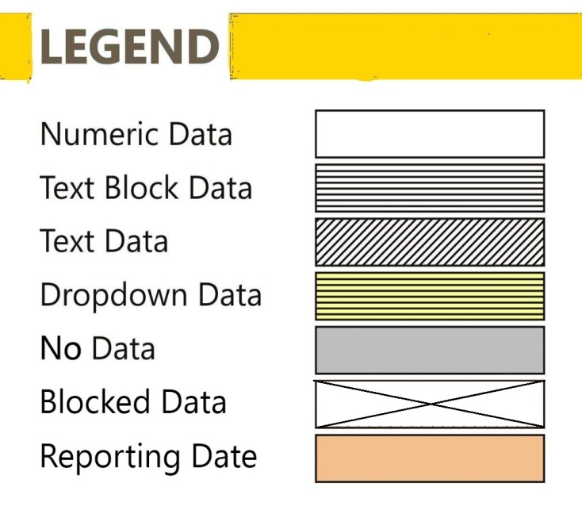
More Options

General Information | Statements
Filing Information | FMRD10 - Commodity Hedging-Overseas

FilingInfo
Filing Information
 | Filing Information

#CustPlc# |  | #TABLE# | #LAYOUTECSR#
Filing Information
 | Information

Return Name | Commodity Hedging-Overseas
Return Code | FMRD10
Name of reporting institution | State Bank Of Bikaner And Jaipur
Bank Code | 100
Institution Type | SBI Group
Reporting frequency | Quarterly
Reporting start date | 01-01-2018
Reporting end date | 31-03-2018
Reporting currency | USD
Reporting scale | Millions
Taxonomy version | 1.0.0
Tool name | RBI iFile
Tool version | 1.1.146
Report status | Un-Audited
Date of Audit
General remarks

 |  |  | #LAYOUTECER#

FMRD10
FMRD10 - Commodity Hedging-Overseas
FMRD10 - Commodity Hedging-Overseas

Monetary items present in the return should be reported USD in Millions

Master
Table 1. Commodity Hedging
Commodity | Measurement Unit | Exposure (in thousands) |  | Hedges Booked (in thousands) |  | Gross Outflow | Gross Inflow
 |  | Direct | Indirect | OTC | Exchanges
 | X010 | X020 | X030 | X040 | X050 | X060 | X070

 |  |  |  |  |  |  |  | #LAYOUTECER#

Table 2. Total outstanding SBLCs / Guarantees issued for hedging of commodity price risk:
 | SBLCs outstanding | Guarantees outstanding
 | X080 | X090

Y010

 |  |  |  | #LAYOUTECER#

 | Master
Table 3. SBLCs / Guarantees invoked by the overseas counterparty (Customer wise):
Date | PAN Number | Customer | SBLC / Guarantee Amount invoked
 |  |  | X100

 |  |  |  |  | #LAYOUTECER#

